Template Help
Overview / grading requirements:
A decision log is a beneficial communication tool to apprise stakeholders regarding how a decision was reached, options considered, and who approved the decision.
It may eliminate potential confusion and prevent project teams from unnecessary decision "churning".
To write a decision log, explain the choice the team made and the reasons for making it. If you considered other alternatives, list them and explain why you ruled them out.

Helpful Links:
https://rebelsguidetopm.com/project-decision-log/

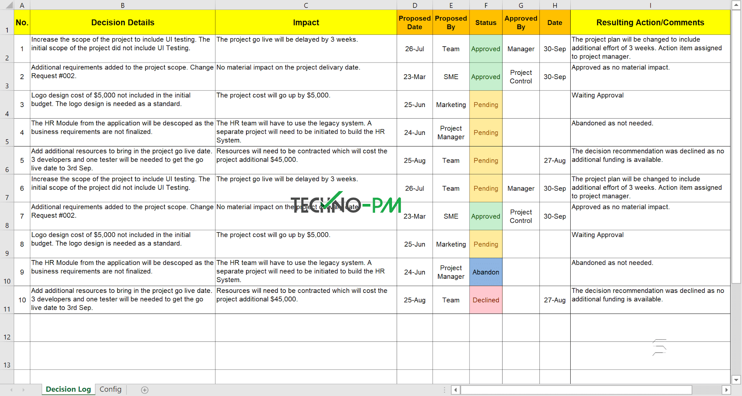

Example:

